Sheet1
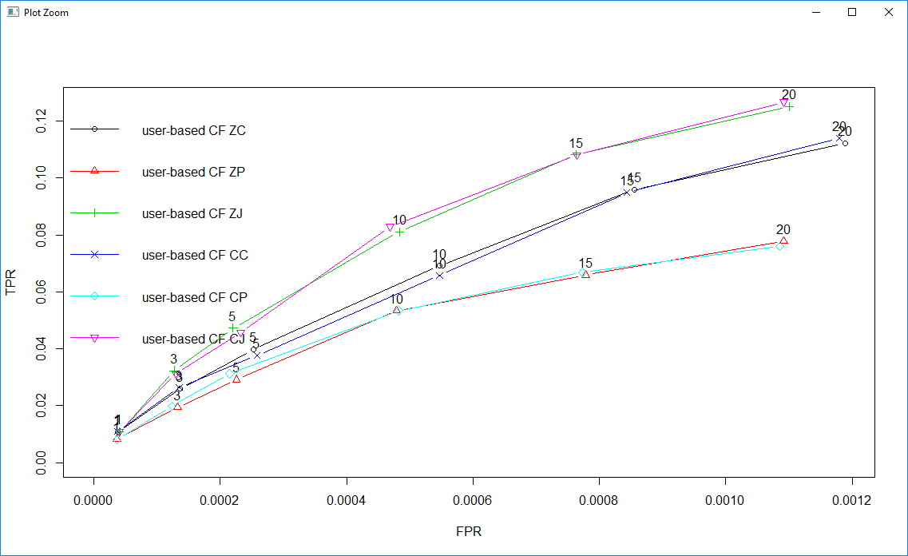
Model | Prediction Time
User Based Z-Score Cosine | 4.04sec
User Based Z-Score Pearson | 2.26sec
User Based Z-Score Jaccard | 2.78sec

User Based Center Cosine | 3.99sec
User Based Center Pearson | 2.25sec
User Based Center Jaccard | 2.77sec

User Based Pearson Model
90 10
nn | RMSE | MSE | MAE
5 | 0.9362157 | 0.8764998 | 0.7223302
10 | 0.9287557 | 0.8625872 | 0.7169214
15 | 0.9210859 | 0.8483991 | 0.7106088
20 | 0.9180216 | 0.8427637 | 0.7099800
25 | 0.9143406 | 0.8360188 | 0.7074983
30 | 0.9259031 | 0.8572966 | 0.7164412
35 | 0.9294946 | 0.8639603 | 0.7196776

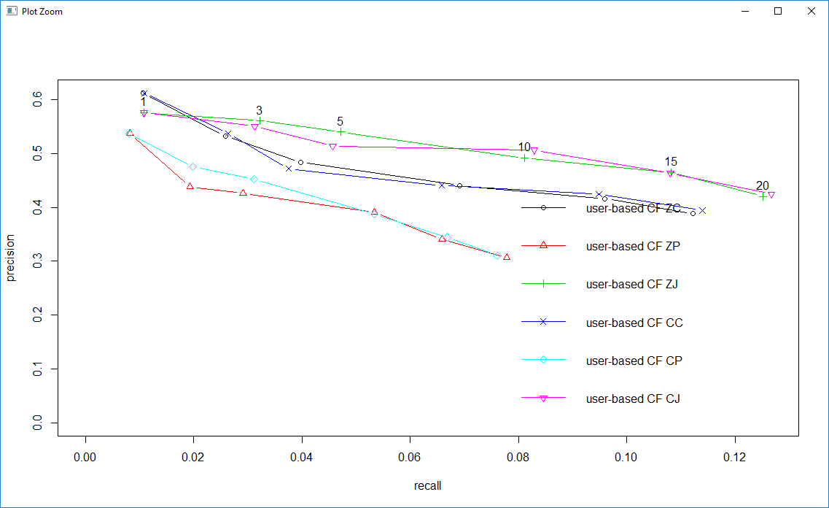
UB Z-Score Pearson
Learning Scheme
50:50 | 7.29sec
60:40 | 6.5sec
70:30 | 4.9sec
90 : 10 | 2.26sec

 | MSE
5 | 0.8764998
10 | 0.8625872
15 | 0.8483991
20 | 0.8427637
25 | 0.8360188
30 | 0.8572966
35 | 0.8639603

 | MAE
5 | 0.7223302
10 | 0.7169214
15 | 0.7106088
20 | 0.7099800
25 | 0.7074983
30 | 0.7164412
35 | 0.7196776

